SPI Controller
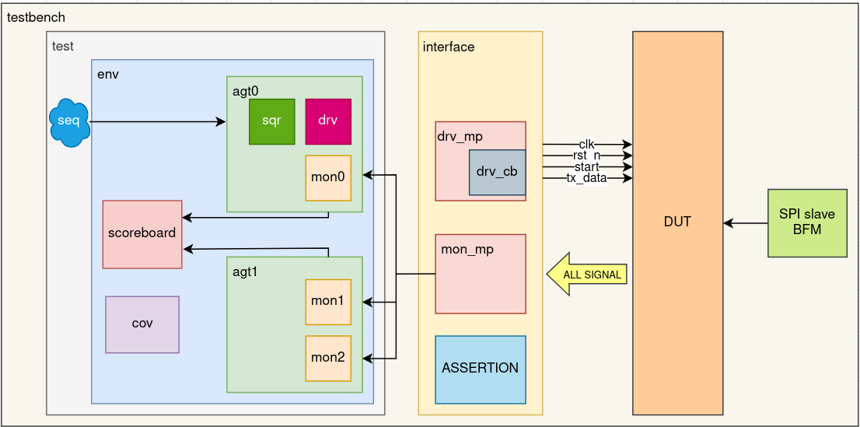
GROUP 6

 | Type | Feature ID | Feature Description | Test Case ID(s) | Stimulus Description | Coverage Metric | Checker/Scoreboard | Owner
 | Functional | F001 | Basic Protocol Checks | T001-T010 | Handshake Signals and Chip Select | Functional + Assertion | Checker | XiuYan
 | Functional | F002 | Data Integrity Checks | T011-T016, T024 | TX Data (mosi) and RX Data (miso) | Functional + Toggle | Scoreboard | XiuYan
 | Functional | F003 | Clock (sclk) Checks | T017-T019 | Frequency, IDLE, No Glitches | Functional + Toggle | Checker | XiuYan
 | Functional | F004 | Error cases and corner cases. | T018-T023, T025-T026 | - Reset During Transfer - Abort transaction by forcing busy=0, cs_n=1 and sclk=0. - B2B Transfer - Done of first transfer should not affect normal operation of next start. - Start w/o rst_n - Ensure no operation start until after reset. - MISO timing violation - Test if MISO changes too close to sclk rising edge (setup/hold check). | Funcitonal + Toggle | Checker | YeeChean
 | Coverage | F005 | UVM-specific checks. | TBD | - Transaction checking - Track MOSI/MISO correctness. - Compare sent vs received data in scoreboard. - Reset during active transfer. - Coverage - TX and RX data. - 100% functional coverage. - Ensure all bits of input and output flipped. | Functional + Assertion | Scoreboard + Coverage | YeeChean

 | Test Case ID | Description | Type | Expected Result |  |  | Methodology | Status
 | T001 | Ensure start is ignored if busy is high | Negative/Directed | When busy = 1, no new transaction can be initiated, even if start is held high for multiple clock cycles. E.g., if start is held for 2 clock cycles while busy = 1, only one transaction should occur. |  |  | Scoreboard | confirmed
 | T002 | Ensure no new transaction happens until done pulses | Directed | A new transaction can only begin after the previous one completes and done has completed. |  |  | Scoreboard | confirmed
 | T003 | Ensure busy stays high for exactly 8-bits | Directed/Timing | busy stays high for the exact duration of 8-bit transfers, then deassert |  |  | Assertion | confirmed | Alpha Integration
 | T004 | Verify done is valid for 1 clock cycle (pulse) after the last bit | Directed/Timing | done is asserted for exactly 1 clock cyle immediately after the last bit is shifted. |  |  | Assertion | confirmed |  | owner | status
 | T005 | Ensure busy deasserts in the next clock cycle after done | Directed/Timing | busy goes low exactly 1 cycle after done is high |  |  | Assertion | confirmed | intf | xy | done
 | T006 | Ensure busy goes high in the next clock cycle after start | Directed/Timing | busy goes high immediately (or in the next cycle) after a valid start pulse. |  |  | Assertion | confirmed | drv | yc | done
 | T007 | Ensure cs_n asserts in the next clock cycle after start | Directed/Timing | cs_n goes low (slave selected) immediately or one cycle after start |  |  | Assertion | confirmed | tb | yk | done
 | T008 | Ensure cs_n should not glitch during transfer | Directed | cs_n remains stably low for the entire duration of the 8-bit transfer. No toggles or pulses occur while busy = 1 |  |  | Assertion | confirmed | mon 0 | yc | done
 | T009 | Ensure cs_n deasserts after 8th bits (aligned with done) | Negative/Directed | cs_n transitions from low to high in the same clock cycle that done is asserted. |  |  | Assertion | confirmed | mon 1 | xy | done
 | T010 | Ensure cs_n should not deassert early (eg., after 7 bits) | Directed/Timing | cs_n remains low until the entire 8-bit transaction is complete. It must not return high prematurely (before done = 1). |  |  | Assertion | confirmed | agt 0 | yc | done
 | T011 | Ensure SPI works SPI mode of 1. | Directed/Configuration | Other SPI mode (eg, 1, 2 and 3) will expect misampling events. |  |  | Scoreboard | confirmed | agt 1 | xy | done
 | T012 | Ensure correct bit order for tx_data which follows MSB-first order | Directed | mosi shifts out tx_data[7] first and tx_data[0] last |  |  | Scoreboard | verified in T024 | env | yk | done
 | T013 | Ensure MOSI only changes on rising sclk edges | Directed/Timing | mosi updates only on rising edges of sclk; remains stable otherwise |  |  | Assertion (with other clock) | confirmed | test | yk | done
 | T014 | Ensure MISO only sampled in failing sclk edges | Directed/Timing | rx_reg captures miso only on failing edges of sclk |  |  | Assertion | confirmed | tran | yk | done
 | T015 | Ensure rx_data is matched to the expected slave response (SLAVE_RESET_RESPONSE) | Directed/Functional |  |  |  | Scoreboard | confirmed | seq | yk | done
 | T016 | Ensure both rx_data and done update at the same clock cycle | Directed/Timing | rx_data is latched and done is asserted in the same clock cycle. |  |  | Assertion | confirmed
 | T017 | Verify sclk frequency matches to the clock divider configuration. | Directed/Timing | sclk period = 2 × CLK_DIV × system clock period. |  |  | Assertion | confirmed | scb | all
 | T018 | When the SPI is idle, ensure no sclk events and cs_n is pulled high. | Directed/Functional | sclk remains low and cs_n = 1 (inactive) when not transferring |  |  | Assertion | confirmed | assertion | all | done
 | T019 | Ensure no glitches happend outside transfers | Directed/Timing | sclk, mosi, and cs_n do not toggle unexpectedly when idle |  |  | Assertion | confirmed | cov | xy | done
 | T020 | All outputs are set to default/reset values when rst_n = 0 | Directed/Reset | When the SPI is under reset, ensure the cs_n=1, busy=0, done=0, rx_data=0, sclk=0. |  |  | Assertion | confirmed | seq | yk | done
 | T021 | If reset occurs during transfer, abort ongoing transaction and clear outputs | Reset/Corner Case | Ongoing transfer is canceled; busy=0, cs_n=1, sclk=0 immediately. |  |  | Scoreboard | pending confirmation | drv | yk | done
 | T022 | Verify done does from the first transfer does not corrupt the next start | Corner Case/ Negative | done pulse does not interfere with a valid start for the next transaction. |  |  | Scoreboard | pending confirmation
 | T023 | Ensure no operation starts until reset deassert. | Directed/Reset | No activity occurs (no sclk, mosi, busy, etc.) while rst_n = 0. |  |  | Assertion | confirmed
 | T024 | Ensure data from MOSI matches to the slave_rx_data when done=1 | Functional/Randomized | Data captured by slave matches tx_data sent by master, verified at done = 1. |  |  | Scoreboard | confirmed
 | T025 | Ensure no glitch on sclk rising edge | Directed/Timing | Verify that each rising edge of sclk remains stable and high for the expected duration before falling. This ensures sclk does not glitch during active SPI transfers. |  |  | Assertion | confirmed
 | T026 | Ensure no glitch on sclk falling edge | Directed/Timing | Verify that each falling edge of sclk remains stable and low for the expected duration before rising again. This ensures sclk does not glitch during active SPI transfers. |  |  | Assertion | confirmed

 | PPT : | Y3

 |  |  |  | mosi | miso
 | SPI mode | Clock polarity (CPOL) | Clock phase (CPHA) | Data is shifted out on | Data is sampled on | Test Case ID | Description | Methodology
 | 0 | 0 | 0 | falling SCLK, or when start activates | rising SCLK | T001 | Ensure start is ignored if busy is high | Scoreboard
 | 1 | 0 | 1 | rising SCLK | falling SCLK | T002 | Ensure no new transaction happens until done pulses | Scoreboard
 | 2 | 1 | 0 | rising SCLK, or when start activates | falling SCLK | T003 | Ensure busy stays high for exactly 8-bits | Assertion
 | 3 | 1 | 1 | falling SCLK | rising SCLK | T004 | Verify done is valid for 1 clock cycle (pulse) after the last bit | Assertion
 |  |  |  |  |  | T005 | Ensure busy deasserts in the next clock cycle after done | Assertion
 |  |  |  |  |  | T006 | Ensure busy goes high in the next clock cycle after start | Assertion
 |  |  |  |  |  | T007 | Ensure cs_n asserts in the next clock cycle after start | Assertion
 |  |  |  |  |  | T008 | Ensure cs_n should not glitch during transfer | Assertion
 |  |  |  |  |  | T009 | Ensure cs_n deasserts after 8th bits (aligned with done) | Assertion
 |  |  |  |  |  | T010 | Ensure cs_n should not deassert early (eg., after 7 bits) | Assertion
 |  |  |  |  |  | T011 | Ensure SPI works SPI mode of 1. | Scoreboard
 |  |  |  |  |  | T012 | Ensure correct bit order for tx_data which follows MSB-first order | Scoreboard
 |  |  |  |  |  | T013 | Ensure MOSI only changes on rising sclk edges | Assertion (with other clock)
 |  |  |  |  |  | T014 | Ensure MISO only sampled in failing sclk edges | Assertion / Scoreboard
 |  |  |  |  |  | T015 | Ensure rx_data is matched to the expected slave response (SLAVE_RESET_RESPONSE) | Scoreboard
 |  |  |  |  |  | T016 | Ensure both rx_data and done update at the same clock cycle | Assertion
 |  |  |  |  |  | T017 | Verify sclk frequency matches to the clock divider configuration. | Assertion
 |  |  |  |  |  | T018 | When the SPI is idle, ensure no sclk events and cs_n is pulled high. | Assertion / Scoreboard
 |  |  |  |  |  | T019 | Ensure no glitches happend outside transfers | Assertion
 |  |  |  |  |  | T020 | All outputs are set to default/reset values when rst_n = 0 | Assertion / Scoreboard
 |  |  |  |  |  | T021 | If reset occurs during transfer, abort ongoing transaction and clear outputs | Scoreboard
 |  |  |  |  |  | T022 | Verify done does from the first transfer does not corrupt the next start | Scoreboard
 |  |  |  |  |  | T023 | Ensure no operation starts until reset deassert. | Assertion
 |  |  |  |  |  | T024 | Ensure data from MOSI matches to the slave_rx_data when done=1 | Scoreboard
 |  |  |  |  |  | T025 | Ensure no glitch on sclk rising edge | Assertion
 |  |  |  |  |  | T026 | Ensure no glitch on sclk falling edge | Assertion

